GLSN of 2015_method #3
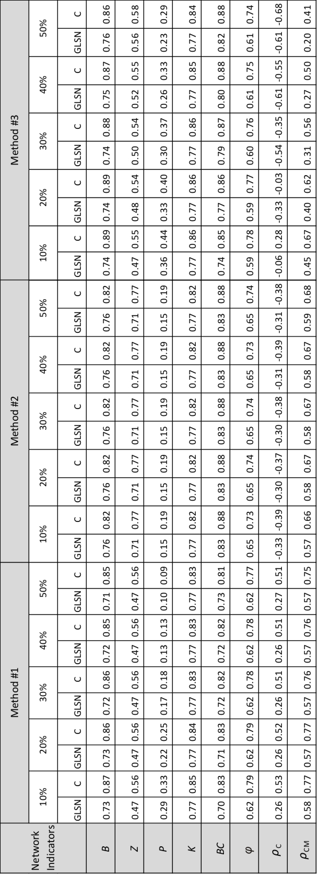
Network indicators | percent of edges | GLSN | C
B | 10 | 0.74 | 0.89
 | 20 | 0.74 | 0.89
 | 30 | 0.74 | 0.88
 | 40 | 0.75 | 0.87
 | 50 | 0.76 | 0.86
BC | 10 | 0.74 | 0.85
 | 20 | 0.77 | 0.86
 | 30 | 0.79 | 0.87
 | 40 | 0.8 | 0.88
 | 50 | 0.82 | 0.88
K | 10 | 0.77 | 0.86
 | 20 | 0.77 | 0.86
 | 30 | 0.77 | 0.86
 | 40 | 0.77 | 0.85
 | 50 | 0.77 | 0.84
P | 10 | 0.36 | 0.44
 | 20 | 0.33 | 0.4
 | 30 | 0.3 | 0.37
 | 40 | 0.26 | 0.33
 | 50 | 0.23 | 0.29
Z | 10 | 0.47 | 0.55
 | 20 | 0.48 | 0.54
 | 30 | 0.5 | 0.54
 | 40 | 0.52 | 0.55
 | 50 | 0.56 | 0.58
phi | 10 | 0.59 | 0.78
 | 20 | 0.59 | 0.77
 | 30 | 0.6 | 0.76
 | 40 | 0.61 | 0.75
 | 50 | 0.61 | 0.74
rho_C | 10 | -0.06 | 0.28
 | 20 | -0.33 | -0.03
 | 30 | -0.54 | -0.35
 | 40 | -0.61 | -0.55
 | 50 | -0.61 | -0.68
rho_CM | 10 | 0.45 | 0.67
 | 20 | 0.4 | 0.62
 | 30 | 0.31 | 0.56
 | 40 | 0.27 | 0.5
 | 50 | 0.2 | 0.41

